Sheet1
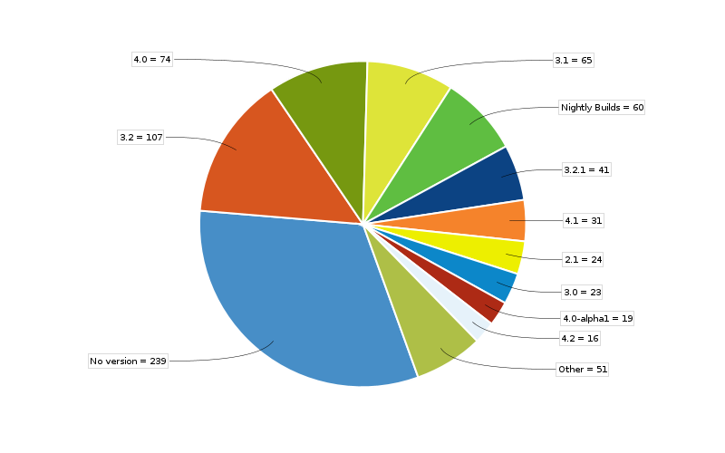

 | The above pie chart shows the total number of issues (that includes bugs and other issue types) for each version
 | Source - The issue tracking system of Apache Commons collections in Jira : http://issues.apache.org/jira/browse/COLLECTIONS ; source code found at https://git-wip-us.apache.org/repos/asf?p=commons-collections.git

 | Version | lines of code | Number of bugs | Defect Density
do not work with Java 9 | 1.0 |  | 1
 | 2.0 |  | 4
 | 2.1 |  | 18
 | 2.1.1 |  | 1
 | 3.0 | 47702 | 16 | 0.33541570584
 | 3.1 | 53215 | 45 | 0.8456262332
 | 3.2 | 58067 | 46 | 0.79218833417
 | 3.2.1 | 58680 | 29 | 0.4942058623
 | 3.2.2 | 59622 | 6 | 0.10063399416
 | 4.0 | 55012 | 35 | 0.63622482367
 | 4.0-alpha 1 | 54561 | 7 | 0.12829676875
 | 4.1 | 64822 | 17 | 0.26225664126
 | 4.2 | 66670 | 5 | 0.074996250187
 | 4.3 | 66979 | 2 | 0.029860105406
 | 4.4 | 67517 | 5 | 0.074055423079
unreleased | 4.x |  | 7
 | Nightly builds |  | 34
 | 4.5 | 2155969 | 0

